Resumen
Testeo | ROR 2 - ORACLE - UNICORN

Casos | Numero de request | Avg gen time (ms) | Desviation (ms) | Min gen time (ms) | Max gen time(ms) | Errors | Throughput Generado Avg req/sec | Throughput Pedido (req/sec)
Simple Concurrent | 3000 | 709 | 129 | 218 | 3641 | 0 | 27.6/sec | -
Gaussian Concurrent | 3000 | 433.869 | 93 | 135 | 929 | 0 | 26.1/sec | -
Throughtput 5 | 3840 | 286 | 84 | 120 | 874 | 0 | 5.0/sec | 5.0 /sec
Throughtput 8 | 3000 | 258.396 | 76 | 121 | 681 | 0 | 8.0/sec | 8.0 / sec
Throughtput 10 | 3000 | 233 | 93 | 129 | 2025 | 0 | 10.0/sec | 10.0 /sec
Throughtput 15 | 3000 | 260.47866667 | 68.984637504 | 133 | 795 | 0 | 15.0/sec | 15.0 /sec
Throughtput 20 | 3000 | 387 | 135.13272784 | 123 | 1055 | 0 | 20.0/sec | 20.0 /sec
Throughtput 25 | 3000 | 403.37366667 | 133.96191265 | 168 | 2249 | 0 | 24.5/sec | 25.0 /sec
Throughtput 30 | 3000 | 636.514 | 122.50343044 | 203 | 1122 | 0 | 28.1/sec | 30.0 /sec

Simple Concurrent
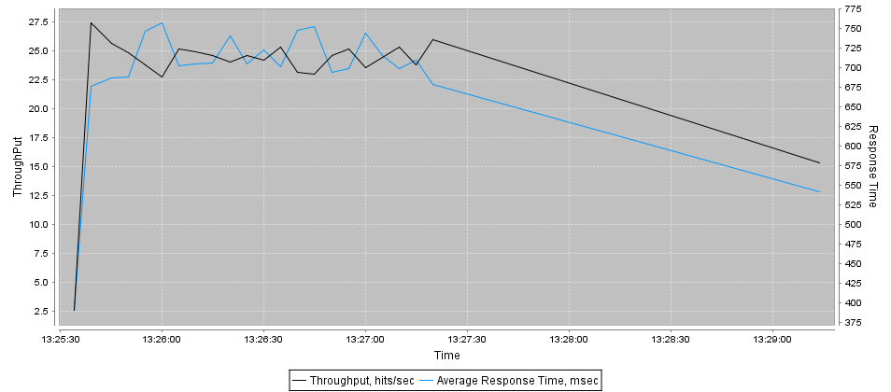
Url | Samples | Average | Desviation | Min | Max | Errors | Throughput req/sec | KB/Sec
ip-0AD076EF | 3000 | 709 | 129 | 218 | 3641 | 0 | 27.6/sec | 2103.12

Gaussian Concurrent
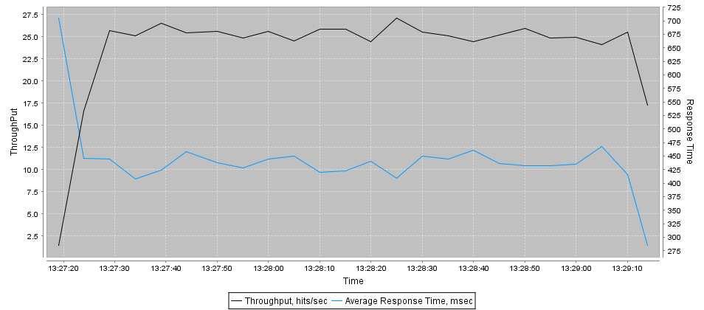
Url | Samples | Average | Desviation | Min | Max | Errors | Throughput req/sec | KB/Sec
ip-0AD076EF | 3000 | 434 | 93 | 135 | 929 | 0 | 26.1/sec | 1993.40

Throughtput 5
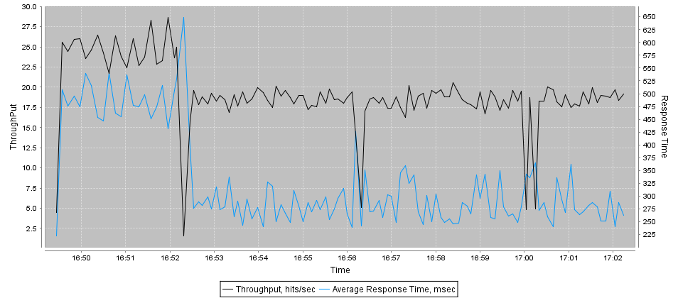
Url | Samples | Average | Desviation | Min | Max | Errors | Throughput req/sec | KB/Sec
ip-0AD076EF | 3840 | 286 | 84 | 120 | 874 | 0 | 5.0/sec | 380.40

Throughtput 8
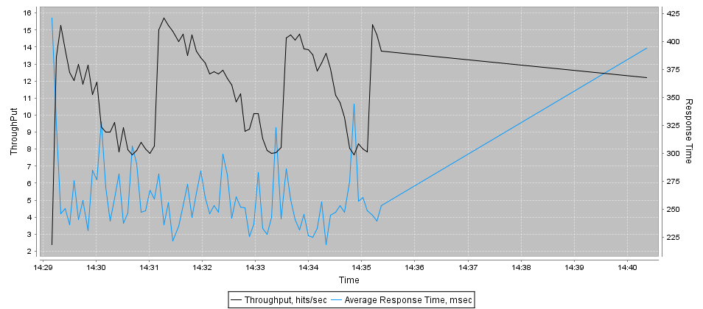
Url | Samples | Average | Desviation | Min | Max | Errors | Throughput req/sec | KB/Sec
ip-0AD076EF | 3000 | 258 | 76 | 121 | 681 | 0 | 8.0/sec | 612.19

Throughtput 10
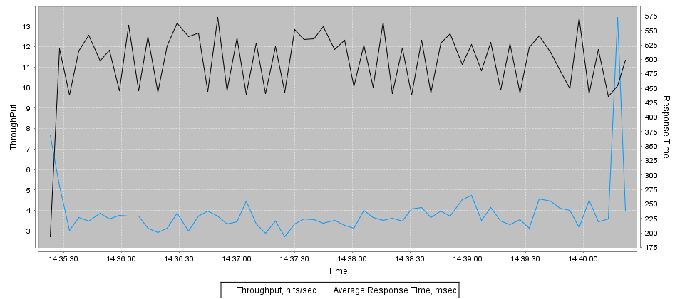
Url | Samples | Average | Desviation | Min | Max | Errors | Throughput req/sec | KB/Sec
ip-0AD076EF | 3000 | 233 | 93 | 129 | 2025 | 0 | 10.0/sec | 764.24

Throughtput 15
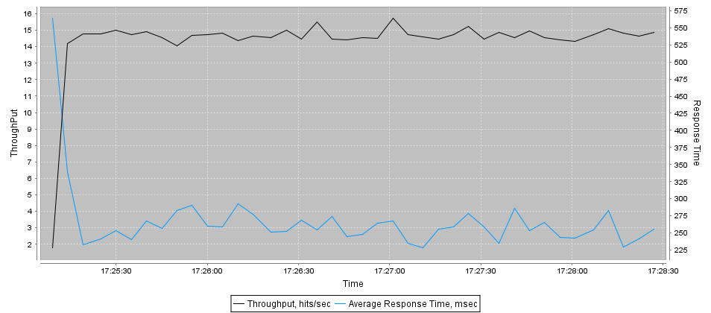
Url | Samples | Average | Desviation | Min | Max | Errors | Throughput req/sec | KB/Sec
ip-0AD076EF | 3000 | 260 | 69 | 133 | 795 | 0 | 15.0/sec | 1142.36

Throughtput 20
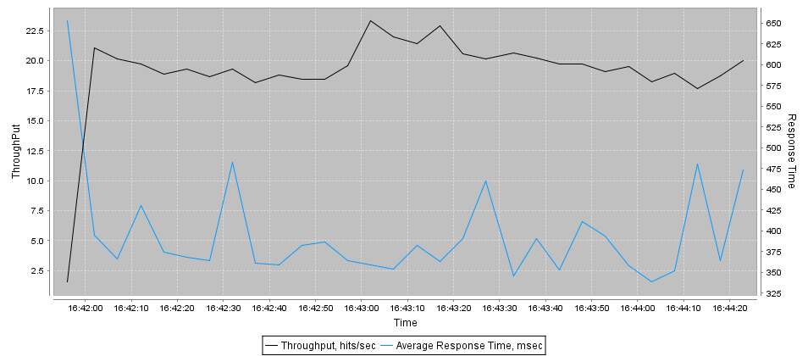
Url | Samples | Average | Desviation | Min | Max | Errors | Throughput req/sec | KB/Sec
ip-0AD076EF | 3000 | 387 | 135 | 123 | 1055 | 0 | 20.0/sec | 1523.09

Throughtput 25
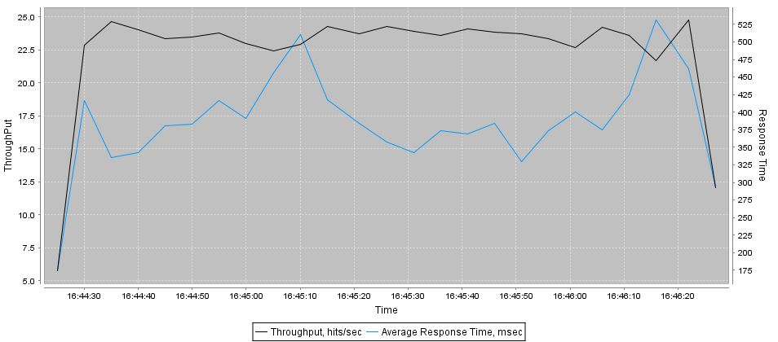
Url | Samples | Average | Desviation | Min | Max | Errors | Throughput req/sec | KB/Sec
ip-0AD076EF | 3000 | 403 | 134 | 168 | 2249 | 0 | 24.5/sec | 1871.86

Throughtput 30
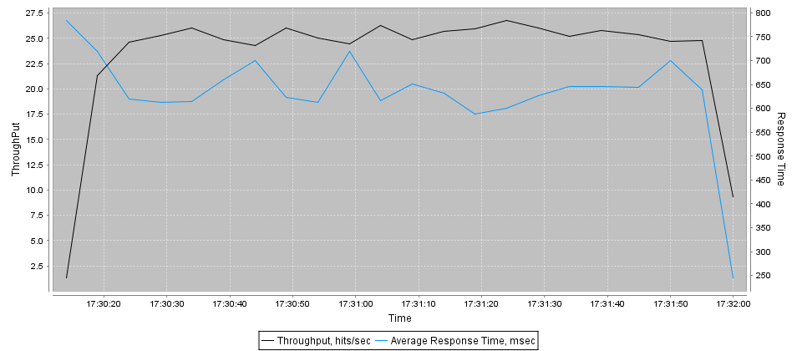
Url | Samples | Average | Desviation | Min | Max | Errors | Throughput req/sec | KB/Sec
ip-0AD076EF | 3000 | 637 | 123 | 203 | 1122 | 0 | 28.1/sec | 2145.09

